Sheet1
ID | User Story | Priority | Story Points |  | Done | To Do
1 | Set up STM32 base developing environment | Must | 3 | x | 149 | 94
2 | Install Linux on STM32 and verify boot functionality | Must | 5 | x
149 Story pointS
Done | 149
To Do | 94
3 | Configure SPI communication between STM32 and touchscreen | Must | 5 | x
4 | Write custom drivers for touchscreen SPI data reading | Must | 8 | x
5 | Install correct libraries and dependencies for touchscreen | Must | 3 | x
6 | Verify touchscreen hardware works (draw test) | Must | 3 | x
7 | Research suitable IDE, tools, and programming setup | Must | 2 | x
8 | Configure Device Tree for touchscreen functionality | Must | 5
9 | Implement touch signature input in GUI | Must | 5 | x
10 | Create GUI to display signature data visually | Must | 3 | x
11 | Write basic driver to communicate with RFID module | Must | 5 | x
12 | Verify RFID hardware and connection (read tag UID) | Must | 3 | x
13 | Implement clock-in logic using RFID tag | Must | 3 | x
14 | Implement clock-out logic using same RFID tag | Must | 2 | x
15 | Show user feedback (success message) after check-in/out | Must | 2 | x
16 | Implement visual LED feedback for system status | Must | 3
17 | Implement buzzer feedback for errors | Must | 2
18 | Develop GUI that integrates RFID data and display | Must | 5 | x
19 | Connect STM32 (M4 chip) with A7 chip for data forwarding via shared memory | Must | 5 | x
20 | Set up communication between STM32 and local database | Must | 5 | x
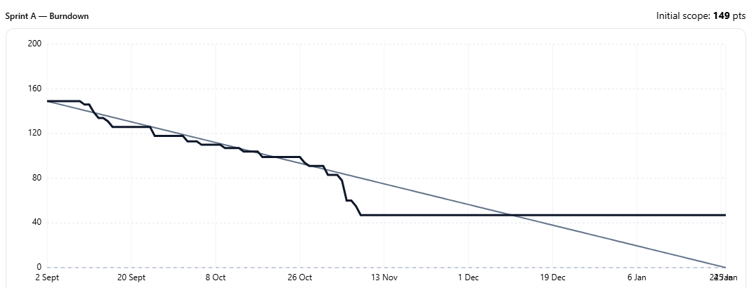
21 | Create database schema for time tracking | Must | 3 | x
22 | Implement simple API for RFID data submission | Must | 5 | x
23 | Store RFID check-in/out events in database | Must | 3 | x
24 | Display live user status on touchscreen | Should | 4
25 | Add ability to manually check in/out via name or ID | Should | 4
26 | Create PDF export of attendance data with signatures | Must | 5 | x
27 | Develop admin dashboard for overview of check-ins | Must | 5 | x
28 | Set up error logging for hardware and server communication | Must | 3 | x
29 | Implement offline clock-in/out with queueing | Must | 5
30 | Implement automatic reconnect after network failure | Must | 3 | x
31 | Allow remote configuration of device settings | Should | 4
32 | Add health monitoring for device connection | Should | 3
33 | Backup and recovery system for attendance data | Should | 4
34 | Add multi-language interface (Dutch/English) | Could | 3
35 | Design and 3D print physical encasing | Must | 8
36 | Assemble encasing and fit components securely | Must | 2
37 | Add system reset button for safe reboot | Must | 2
38 | Test entire flow: RFID → Database → Display feedback | Must | 5
39 | Finalize documentation of setup, drivers, and dataflow | Must | 3
40 | Setup security for the dashboard, database | Must | 6
41 | The GUI must be the only screen available on the device, users can't go into linux | Must | 3
42 | The GUI must have a admin screen | Must | 4
43 | The Admin must be able to easily add new users to the GUI | Must | 3
44 | Points must automaticly be assigned to the Users based on their attendance, in the points website | Must | 4

Burn out
 | goal velocity | remaining points
 | 120 | 120
 | 100 | 120
 | 80 | 103
 | 60 | 86
 | 40 | 48
 | 20 | 29
 | 0 | 12
 |  |  |  | Burnout
 |  |  |  | Sprint | Story points Goal | Story points Behaald | goal velocity | remaining points
 |  |  |  | 0 | 0 | 0 | 12 | 0
 |  |  |  | 1 | 20 | 0 | 12
 |  |  |  | 2 | 20 | 17 | 12
 |  |  |  | 3 | 20 | 17 | 12
 |  |  |  | 4 | 20 | 38 | 12
 |  |  |  | 5 | 20 | 19 | 12
 |  |  |  | 6 | 19 | 17 | 12
 |  |  |  | 7 |  |  | 12
 |  |  |  | 8 |  |  | 12
 |  |  |  | 9 |  |  | 12
 |  |  |  | 10 |  |  | 12
 |  |  |  | 11 |  |  | 12
 |  |  |  | 12 |  |  | 12

